Data
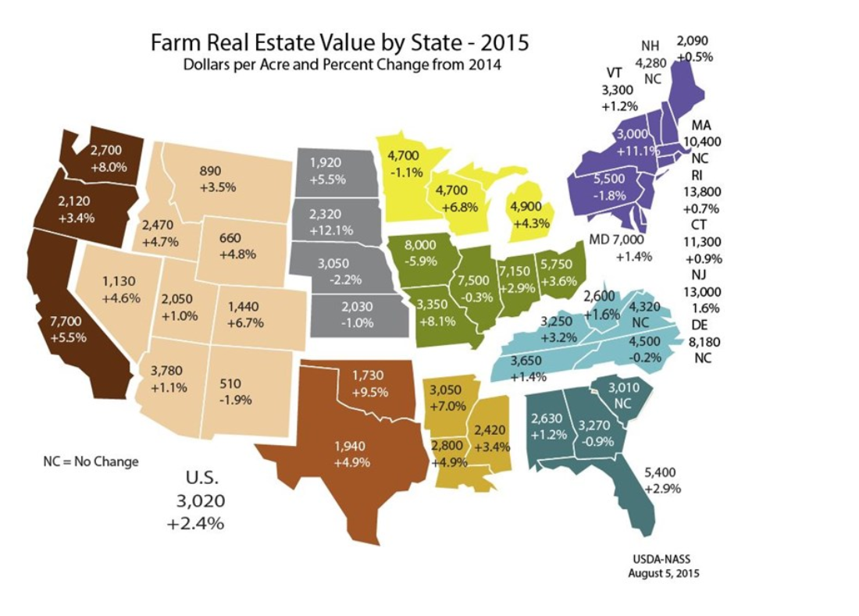
 | circuit miles per million dollars | million $ per mile | Oregon EPS in yellow
WECC 7 year average from Figure 9 (number in red) | 0.8 | 1.25 | 1.25
Least expensive in sample (number in black in Figure 9) | 2 | 0.5
Increment between average and least expensive |  | 0.75
Imputed most expensive in sample if increment away from average is the same as least expensive |  | 2
Assume California average cost as the midpoint between this imputed most expensive and the average value for WECC |  | 1.625
Inflate from 2011 to 2012 |  | 1.7741928567 | 1.3647637359

Method:
The FERC study provides a recent estimate that is in exacty the units needed to align with our data on transmission capacity which is in circuit miles.
However, these are WECC data and we need to capture fact that California is a higher cost state, not least in terms of land costs (an element transmission construction cost).
The second figure below illustrates the divergence in land cost in California compared to the rest of the WECC.
The approach to adjusting the WECC value is not entirely satisfying, given the ad hoc assumptions, and so future work would do well to refine this data input.
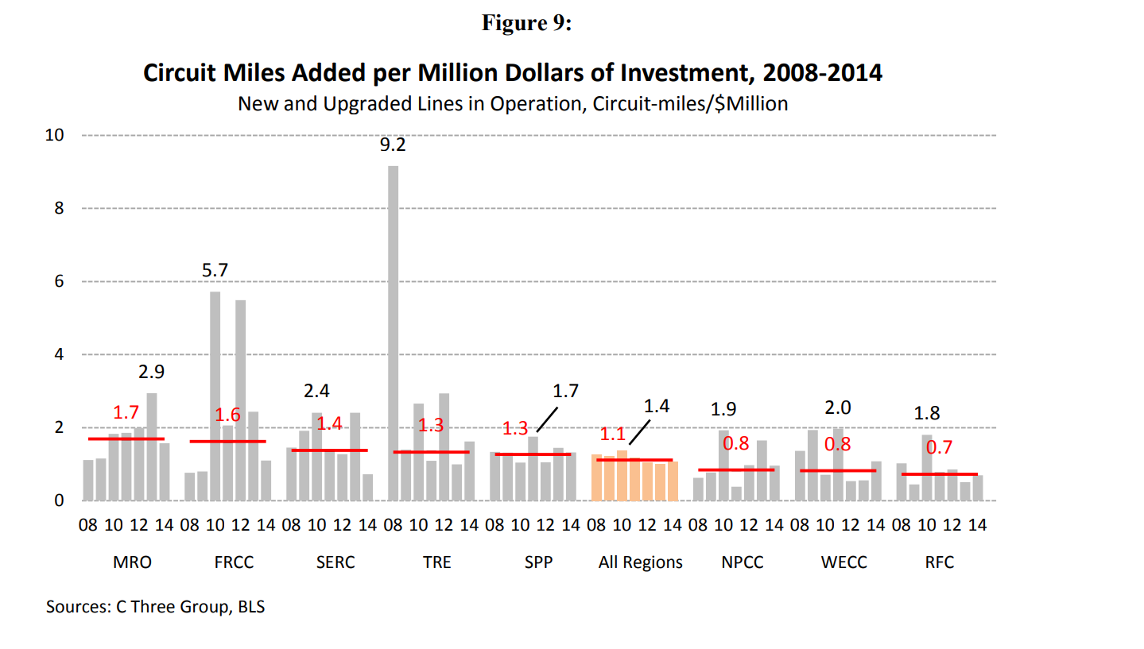

https://www.agweb.com/land/farmland-value-guide/

